Sheet1
UAT for Flow
Date | 15-Apr-20

Tester Category | Common
Elements | Screenshot | Actions | Tested
Navigation Menu bar: Home |  | klik > page "home"
 |  | Button change color

Navigation Menu bar & Sub Menus: Bikes |  | klik > Bikes > Dropdown "sub menu"
 |  | Scrambler > page "Scrambler"
 |  | Tracker > page "Tracker"
 |  | Caferacer > page "Caferacer"
 |  | Brat > page "Brat"
 |  | Bobber > page "Bobber"
 |  | Chopper > page "Chopper"
 |  | Button change color
Navigation Menu bar: Parts & Accessories |  | klik > page "Parts & Accessories"
 |  | Button change color

Navigation Menu bar: Apparel |  | klik > page "Apparel"
 |  | Button change color

Navigation Menu bar: About |  | klik > page "About"
 |  | Button change color

Modal:more | 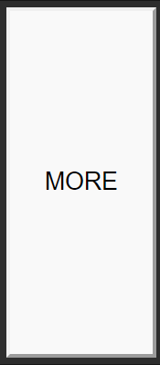 | Scrambler (6)> more
 |  | Tracker (6)> more
 |  | Caferacer (6)> more
 |  | Brat (6)> more
 |  | Bobber (6)> more
 |  | Chopper (6)> more
 |  | more (6)> exit icon

add to cart |  | Button change color

Social media bar |  | klik > facebook > link to facebook
 |  | klik > Twitter > link to twitter
 |  | klik >google > link to maps
 |  | klik > youtube > link to youtube

